Title
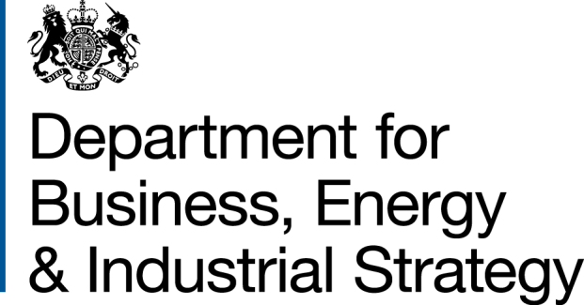
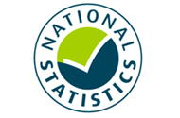
Household Energy Efficiency Statistics
This spreadsheet contains a selection of data tables to provide an overview of the progression of the Energy Company Obligation (ECO) and Green Deal schemes.
The Energy Company Obligation (ECO) is a government energy efficiency scheme in Great Britain to help reduce carbon emissions and tackle fuel poverty. The scheme began in April 2013, and over time it has been amended. The latest policy, ECO3, commenced on 3 December 2018, and applies to measures completed from 1 October 2018.
The Green Deal (GD) is a government initiative that is designed to help homeowners install energy efficiency measures into their properties, and the costs of these measures are paid back through their energy bill over a period of time; this is in the form of a Green Deal Finance Plan (GD Plan).
Publication dates
The data tables in this spreadsheet were published at 09:30am Thursday 21 October 2021.
The next publication will be at 09:30am on Thursday 25 November 2021.
Data Coverage
Data covered in this release is for delivery to the end of August 2021 and the associated costs for delivery to the end of June 2021.
Data covered in this release is for Great Britain.
Methodology
Information on the methods used in the analysis for this release are available in the Further Info sheet, and two separately published documents (Methodology Note and Background Quality Report) both available here:
https://www.gov.uk/government/publications/household-energy-efficiency-statistics-methodology-note
Notes on any significant revisions and/or changes to the analysis method are also available in the Further Info sheet.
Units, notes and no data
Some cells in the tables refer to notes which can be found beneath the tables on each worksheet. Note markers are presented in square brackets, for example: [n1]. Some cells have no data, when this is the case cell is left blank. An explanation of why there is no data is given at the top of the worksheet. Some column headings give units, when this is the case the units are presented in round brackets to differentiate them from note markers.
Contact Details
EnergyEfficiency.Stats@beis.gov.uk
Press Enquiries to the Press Officer: 020 7215 5975
Statistical Enquiries: 020 7215 1259
This workbook was updated on: | 21-Oct-21
The next update for these statistics is: | 25-Nov-21

Charts
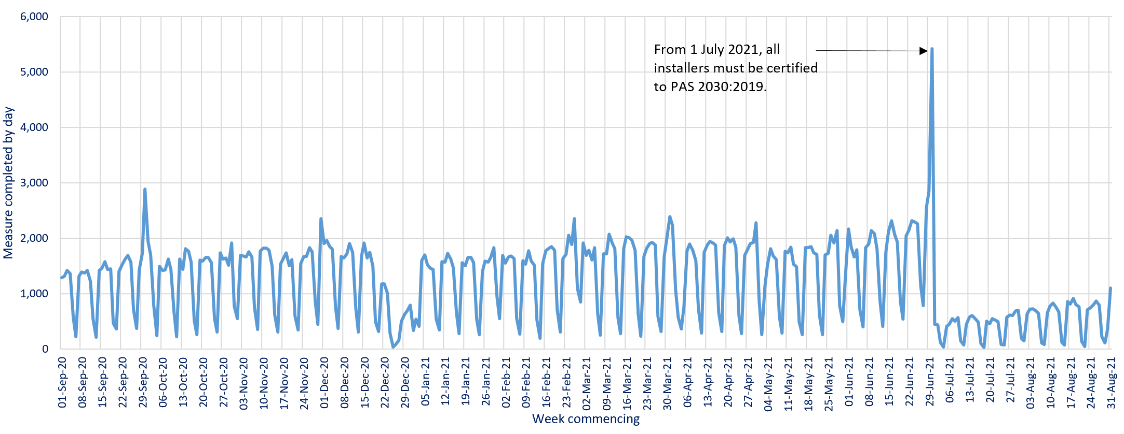
Charts visualising key statistics
This worksheet contains nine charts and three infographics. These charts and infographics visualise some of the key statistics within the release.
This worksheet contains blank rows and columns to aid the presentation of the charts.
Chart 1: ECO measures installed, by obligation, by month, up to end August 2021 | Chart 2a: Share of all ECO measures installed, by measure type, by ECO phase, up to end August 2021
Data from T2.3, T2.4 and T2.5 | Data from T2.6, T2.7 and T2.8
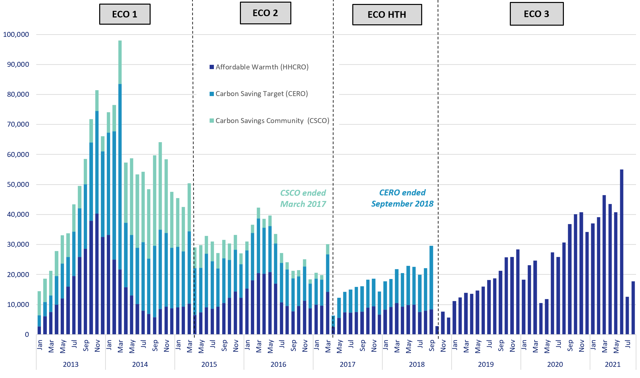
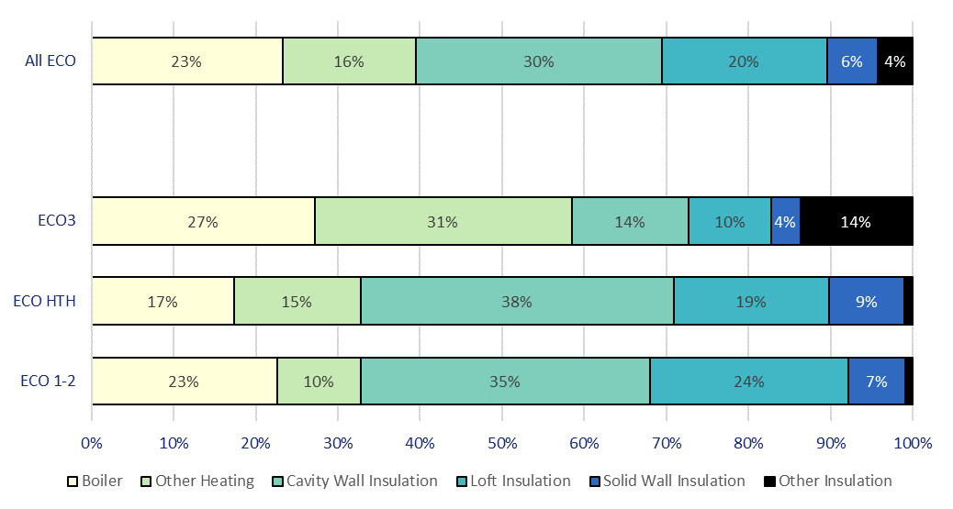

Chart 3: ECO measures by main fuel type of property, by quarter, up to end June 2021 | Chart 2b: Share of all Affordable Warmth measures, by measure type, by ECO phase, up to end August 2021
Data from T3.2 | Data from T2.6, T2.7 and T2.8
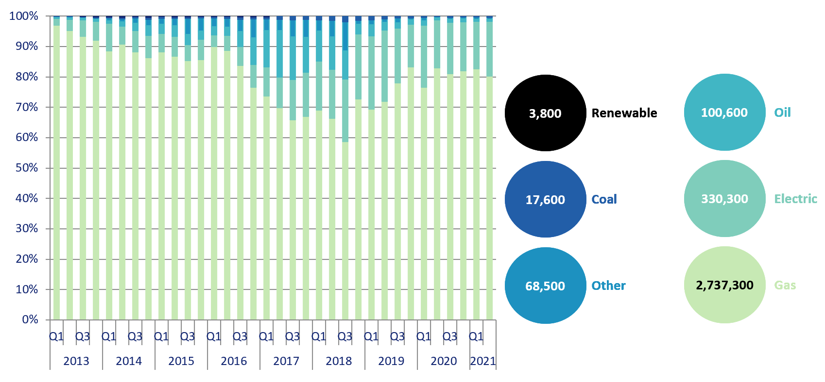
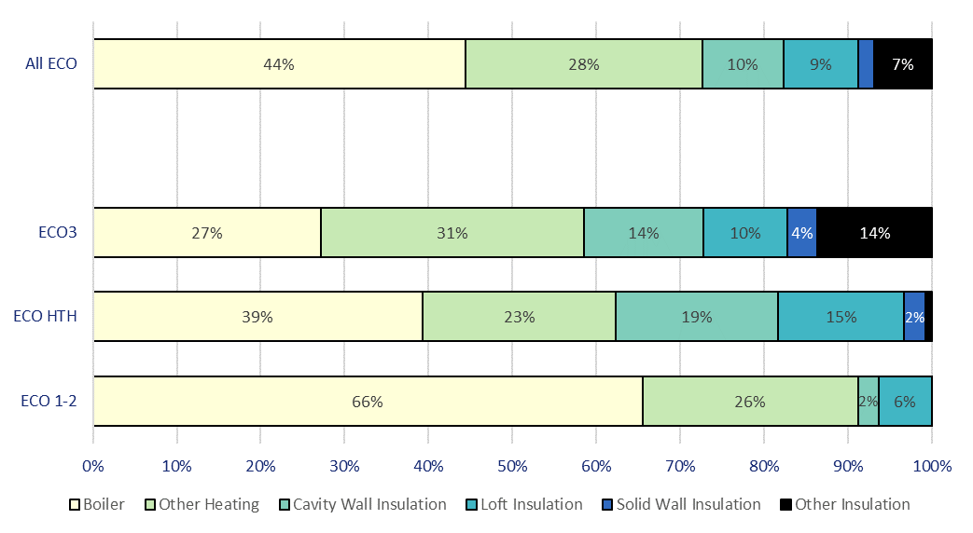

Chart 4: Estimated lifetime bill savings for Affordable Warmth measures, by installation quarter, up to end June 2021 | Chart 5: Number of Flexible Eligibility Measures by installation month and share of Affordable Warmth obligation delivered through flex, up to end August 2021
Data from T2.1 | Data from T2.2, T2.4, T2.5
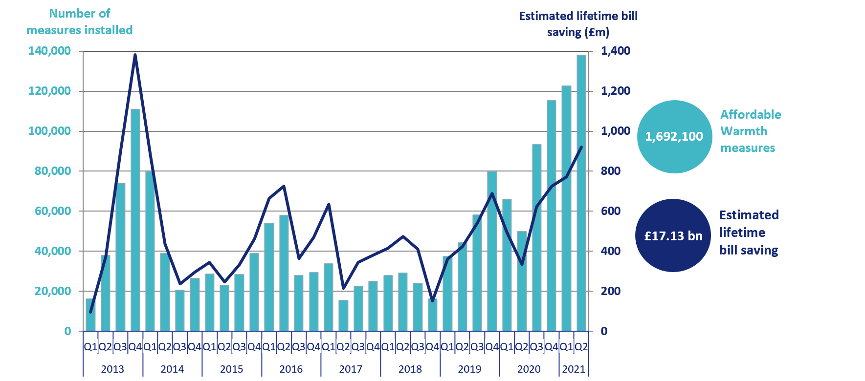
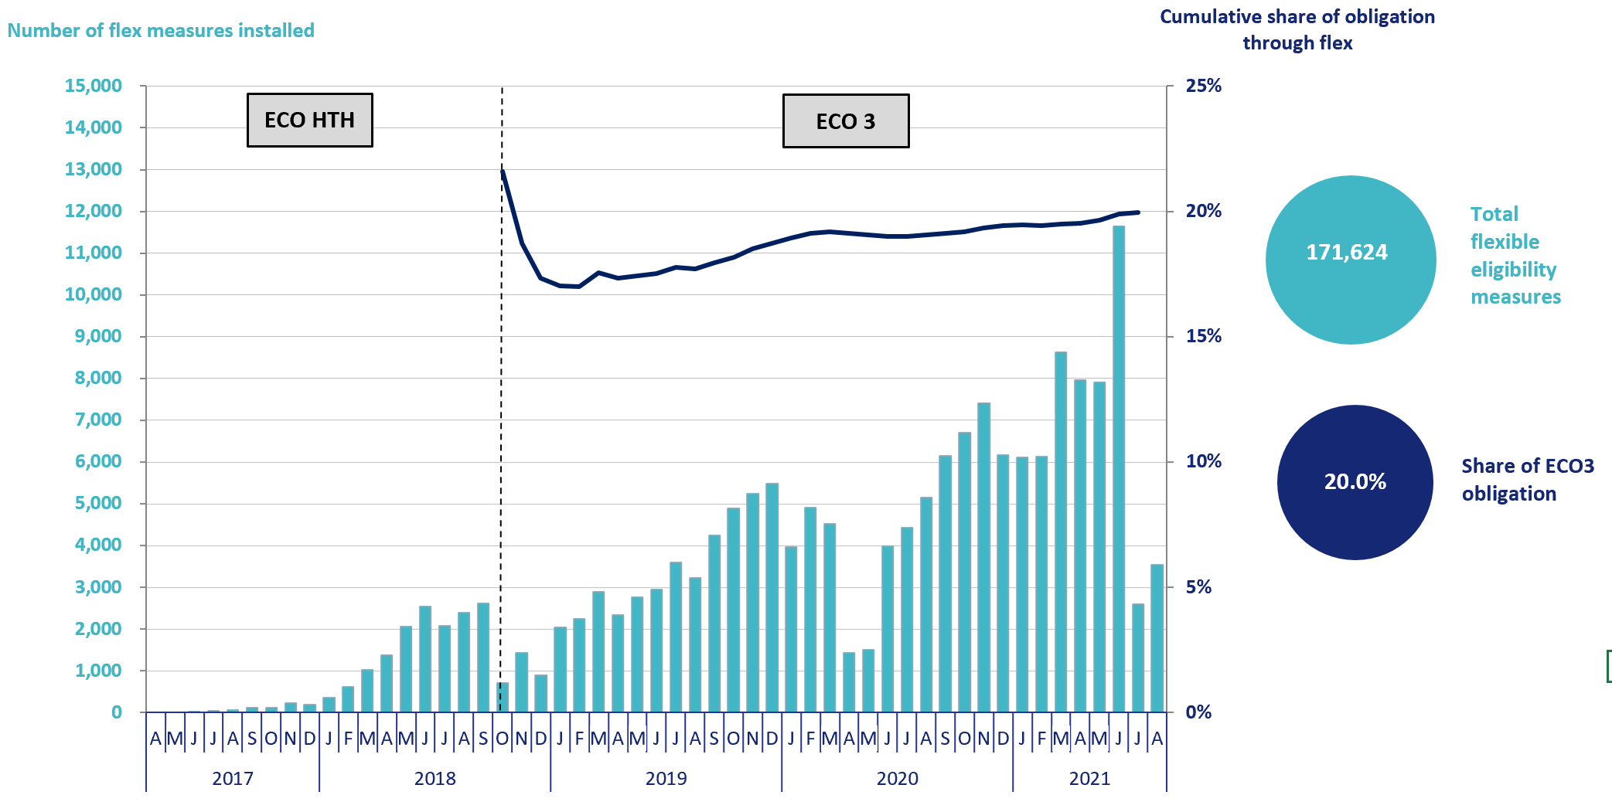

Chart 6: ECO3 costs, by cost type, by quarter, up to end June 2021 | Chart 7: Green Deal Plans, by ‘Live’ or ‘Completed’ status, by quarter, up to end June 2021
Data from T6.6 | Data from T7.1
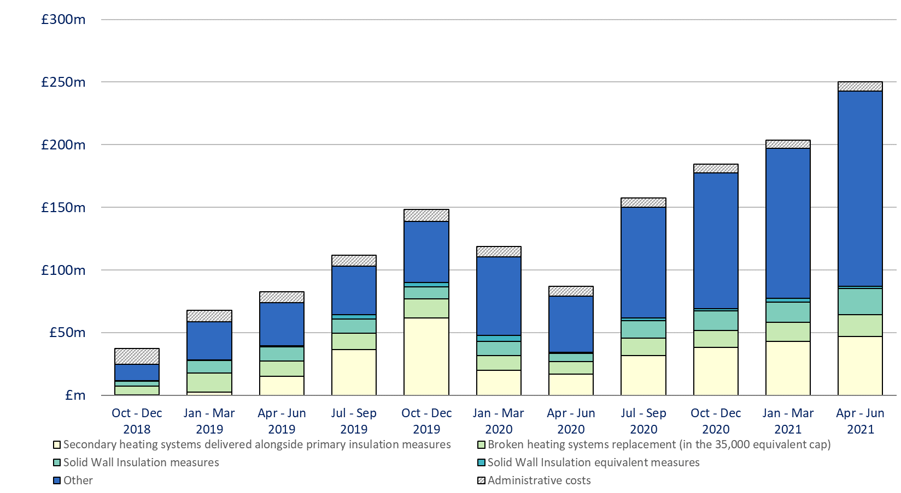
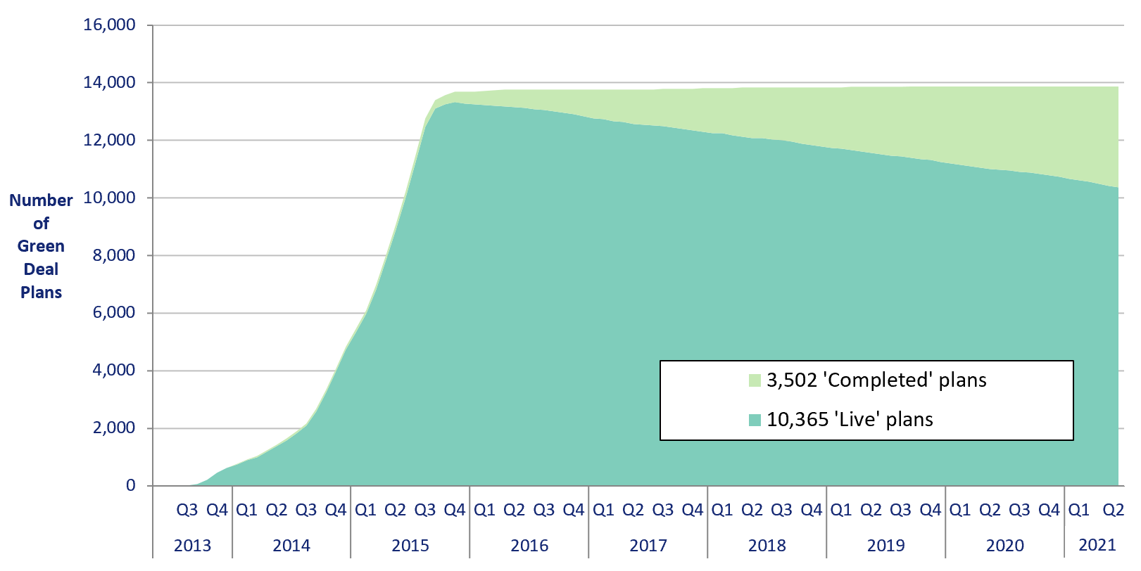

Infographic 1: Proportion of the 1 million homes target achieved, up to end April 2020 | Chart 8: Homes that have had an improvement measure, May 2015 to end April 2020
Data from T1.3 | Data from T1.3
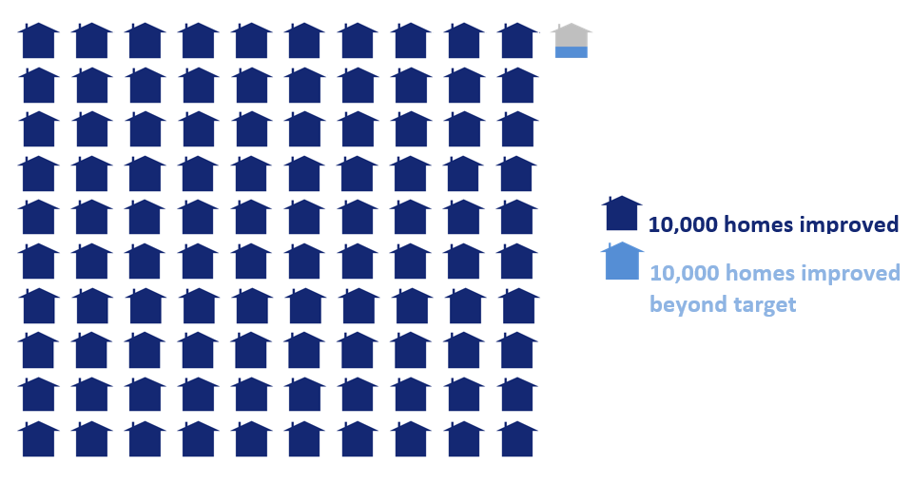
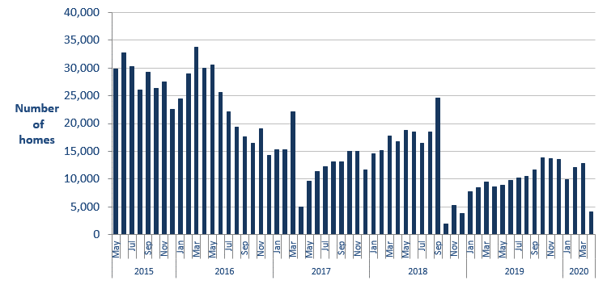

Infographic 2: ECO measures by measure type, up to end August 2021 | Infographic 3: ECO measures by region, up to end June 2021
Data from T2.6, T2.7 and T2.8 | Data from T3.3
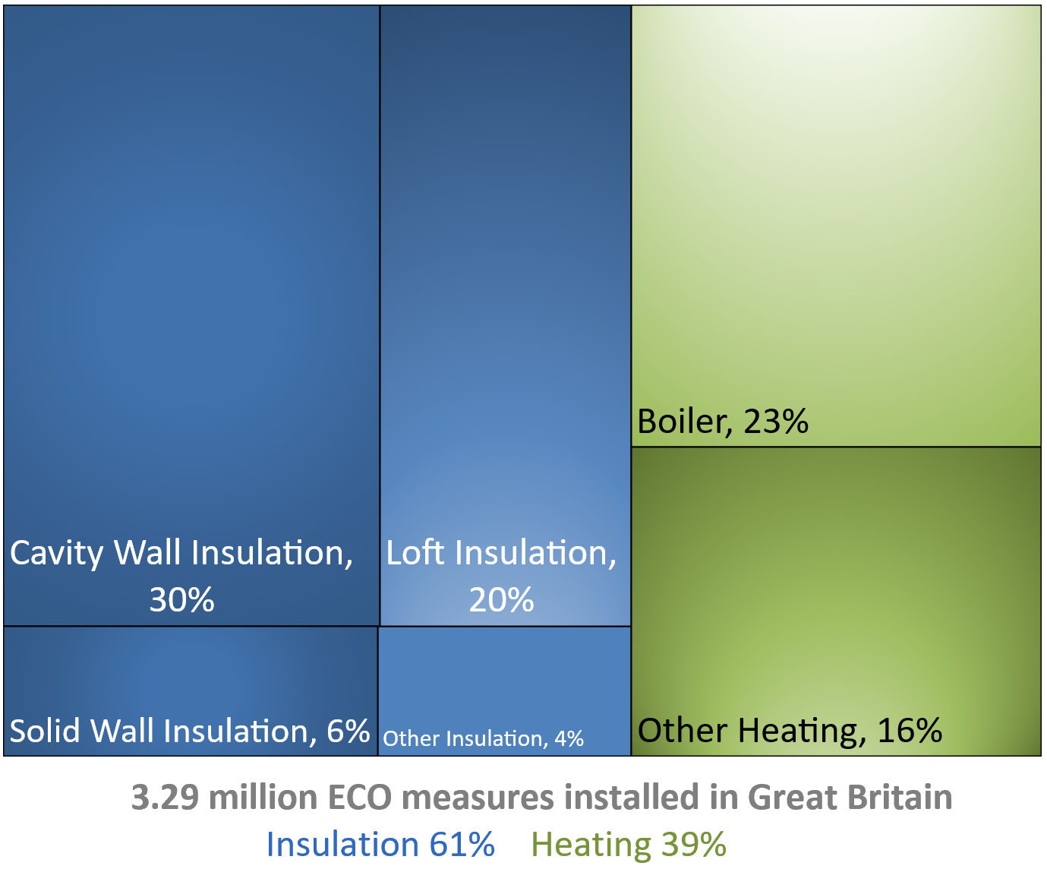
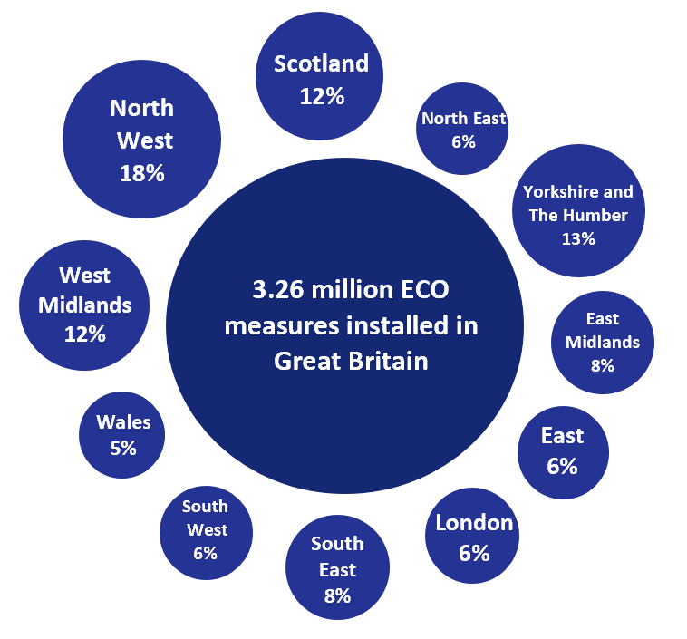

Chart 9: ECO measures installed by day from 1st September 2020 to 31st August 2021

Map1
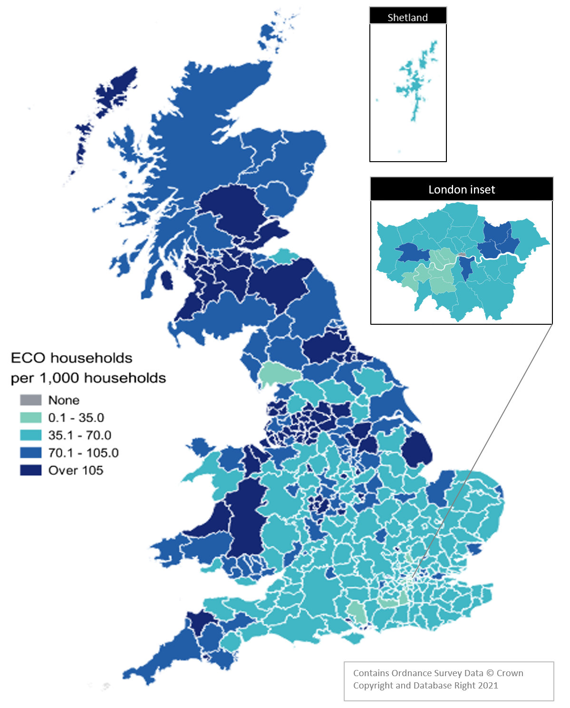
Map 1 – Households in receipt of ECO measures by Local Authority per 1,000 households (January 2013 to June 2021)
This worksheet contains one map. This map visualises the rate of households receiving an ECO measure per 1,000 households in a local authority area.
This worksheet contains blank rows and columns to aid the presentation of the charts.

Map2
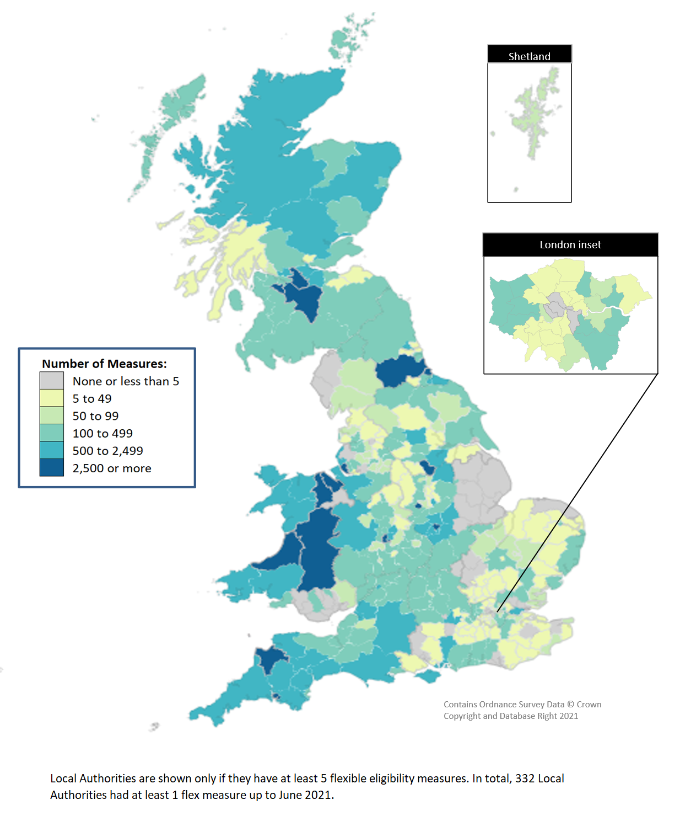
Map 2 - ECO measures installed through Flexible Eligibility, by Local Authority (April 2017 to June 2021)
This worksheet contains one map. This map visualises the rate of households receiving an ECO measure through the Flexibile Eligibility obligation per 1,000 households in a local authority area.
This worksheet contains blank rows and columns to aid the presentation of the charts.

